Tidal Turbine Costs
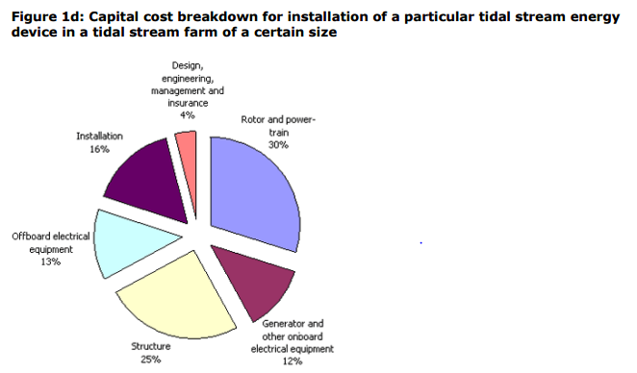
Capital cost of normal Tidal turbine ($/kW) | 5,880
Applying exchange rate (£/MW) | £3,704,400.00
Applying Cost Reductions (£/MW) | £2,370,816.00
Capital Cost for 2MW System | £4,741,632.00
Annual Operating Cost ($/kW) | 198
Applying exchange rate (£/MW) | £124,740.00
Annual Operating Cost for 2MW system | £249,480.00
Lifetime Operational Cost | £4,989,600.00

Cost reduction factor | 0.64
2011 GBP:USD | 0.63
Assumed operational lifetime (years) | 20

Cost Reduction Assumptions (Applied to pie chart): | No need to account for electrical as separate analysis (-13%)
 | Reduction in structural cost (-15%)
 | Shared installation costs (-8%)
 | Applying these reductions to results in a total Tidal cost of 61%

References: | https://www.bv.com/docs/reports-studies/nrel-cost-report.pdf
 | https://www.carbontrust.com/media/173551/capital-operating-and-maintenance-costs.pdf

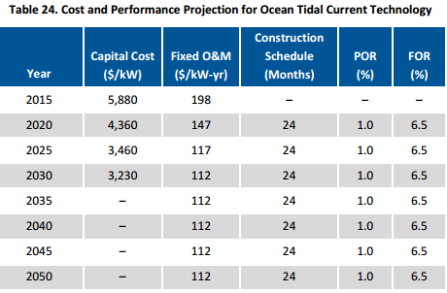

10 turbine payback
Yearly Generation | 225657.6
Yearly Income £ | 32946009.6
Total Income £ | 658920192
Strike Price | 146
Availability | 0.92
Yearly OPEX | -8414700
Lifetime OPEX | -168294000
NET income per year | 41360709.6
CAPEX/MW | 2688000
Total CAPEX | -188160000

Year | 0 | 1 | 2 | 3 | 4 | 5 | 6 | 7 | 8 | 9 | 10 | 11 | 12 | 13 | 14 | 15 | 16 | 17 | 18 | 19 | 20
Expenses | -188160000 | -8414700 | -8414700 | -8414700 | -8414700 | -8414700 | -8414700 | -8414700 | -8414700 | -8414700 | -8414700 | -8414700 | -8414700 | -8414700 | -8414700 | -8414700 | -8414700 | -8414700 | -8414700 | -8414700 | -8414700
Income | 0 | 32946009.6 | 32946009.6 | 32946009.6 | 32946009.6 | 32946009.6 | 32946009.6 | 32946009.6 | 32946009.6 | 32946009.6 | 32946009.6 | 32946009.6 | 32946009.6 | 32946009.6 | 32946009.6 | 32946009.6 | 32946009.6 | 32946009.6 | 32946009.6 | 32946009.6 | 32946009.6
Cashflow | -188160000 | 24531309.6 | 24531309.6 | 24531309.6 | 24531309.6 | 24531309.6 | 24531309.6 | 24531309.6 | 24531309.6 | 24531309.6 | 24531309.6 | 24531309.6 | 24531309.6 | 24531309.6 | 24531309.6 | 24531309.6 | 24531309.6 | 24531309.6 | 24531309.6 | 24531309.6 | 24531309.6
Net | -188160000 | -163628690.4 | -139097380.8 | -114566071.2 | -90034761.6 | -65503452 | -40972142.4 | -16440832.8 | 8090476.8 | 32621786.4 | 57153096 | 81684405.6 | 106215715.2 | 130747024.8 | 155278334.4 | 179809644 | 204340953.6 | 228872263.2 | 253403572.8 | 277934882.4 | 302466192
Present Value Factor | 1 | 0.90909090909 | 0.82644628099 | 0.7513148009 | 0.68301345537 | 0.62092132306 | 0.56447393005 | 0.51315811823 | 0.46650738021 | 0.42409761837 | 0.38554328943 | 0.35049389948 | 0.31863081771 | 0.28966437974 | 0.26333125431 | 0.23939204937 | 0.21762913579 | 0.1978446689 | 0.17985878991 | 0.16350799083 | 0.14864362802
Net Present Value
Discounted cash flow | -188160000 | 22301190.545 | 20273809.587 | 18430735.988 | 16755214.535 | 15232013.213 | 13847284.739 | 12588440.672 | 11444036.975 | 10403669.977 | 9457881.7972 | 8598074.3611 | 7816431.2374 | 7105846.5794 | 6459860.5267 | 5872600.4789 | 5338727.708 | 4853388.8255 | 4412171.6595 | 4011065.145 | 3646422.8591
Cumulative Discounted cash flow | -188160000 | -165858809.45 | -145584999.87 | -127154263.88 | -110399049.35 | -95167036.132 | -81319751.393 | -68731310.721 | -57287273.746 | -46883603.769 | -37425721.972 | -28827647.611 | -21011216.374 | -13905369.794 | -7445509.2674 | -1572908.7885 | 3765818.9195 | 8619207.745 | 13031379.405 | 17042444.55 | 20688867.409
 | 0 | 1 | 2 | 3 | 4 | 5 | 6 | 7 | 8 | 9 | 10 | 11 | 12 | 13 | 14 | 15 | 16 | 17 | 18 | 19 | 20
Year
Cumulative Discounted Cash Flow

Graphs
Wind vs Hybrid
 | Strike Price | LCOE
Wind | 105 | 86.4
Hybrid | 105 | 141.4
LCOE with increasing number of turbines
 | 6km to shore | No. of turbines
 | 141.37728931 | 153.29490989
 | 128.94966349 | 134.90846501
 | 124.8071157 | 128.77965006
 | 122.73584181 | 125.71524258
 | 121.49307748 | 123.87659809
 | 120.66456792 | 122.6508351
 | 120.07277538 | 121.7752901
 | 119.62893098 | 121.11863136
 | 119.28371866 | 120.60789678
 | 119.00754881 | 120.19930912

Wind vs Hybrid (modified)
 | Strike Price | LCOE
Wind | 105 | 86.4
Hybrid | 105 | 141.4

LCOE with changing capacity factor
 | LCOE
0.3 | 188.5
0.35 | 161.57
0.4 | 141.38
0.45 | 125.67

LCOE with increasing no. of systems
 | 6km to shore | No. of turbines
 | 141.37728931 | 153.29490989
 | 128.94966349 | 134.90846501
 | 124.8071157 | 128.77965006
 | 122.73584181 | 125.71524258
 | 121.49307748 | 123.87659809
 | 120.66456792 | 122.6508351
 | 120.07277538 | 121.7752901
 | 119.62893098 | 121.11863136
 | 119.28371866 | 120.60789678
 | 119.00754881 | 120.19930912

LCOE vs distance to shore
 | 6km to shore | 10km to shore | 20km to shore
 | 141.37728931 | 153.29490989 | 183.08891753
 | 128.94966349 | 134.90846501 | 149.80546884
 | 124.8071157 | 128.77965006 | 138.71098594
 | 122.73584181 | 125.71524258 | 133.16374449
 | 121.49307748 | 123.87659809 | 129.83539962
 | 120.66456792 | 122.6508351 | 127.61650304
 | 120.07277538 | 121.7752901 | 126.03157691
 | 119.62893098 | 121.11863136 | 124.84288231
 | 119.28371866 | 120.60789678 | 123.91834207
 | 119.00754881 | 120.19930912 | 123.17870988

 | LCOE
9.50% | 138.19
9.85% | 141.38
10.00% | 143.5
10.50% | 148.82

