Region
Region
Latitude (degrees north)

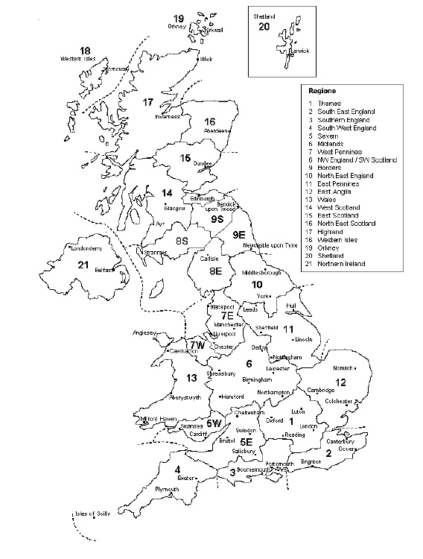

Monthly Results
Month | Demand, kWh | Solar Fraction
January
February
March
April
May
June
July
August
September
October
November
December

Solar Contribution vs Heating Requirement
 | Total heating requirement (kWh) | Solar contribution (kWh) | Solar fraction
January | 0.00 | #N/A | #N/A
February | 0.00 | #N/A | #N/A
March | 0.00 | #N/A | #N/A
April | 0.00 | #N/A | #N/A
May | 0.00 | #N/A | #N/A
June | 0.00 | #N/A | #N/A
July | 0.00 | #N/A | #N/A
August | 0.00 | #N/A | #N/A
September | 0.00 | #N/A | #N/A
October | 0.00 | #N/A | #N/A
November | 0.00 | #N/A | #N/A
December | 0.00 | #N/A | #N/A

Solar Energy vs Heating Requirement
 | Solar energy available (kWh) | Total heating requirement (kWh)
January | #N/A | 0.00
February | #N/A | 0.00
March | #N/A | 0.00
April | #N/A | 0.00
May | #N/A | 0.00
June | #N/A | 0.00
July | #N/A | 0.00
August | #N/A | 0.00
September | #N/A | 0.00
October | #N/A | 0.00
November | #N/A | 0.00
December | #N/A | 0.00

Additional Heat Required
 | Additional Heat Required (kWh)
January | 0.00
February | 0.00
March | 0.00
April | 0.00
May | 0.00
June | 0.00
July | 0.00
August | 0.00
September | 0.00
October | 0.00
November | 0.00
December | 0.00

