Data
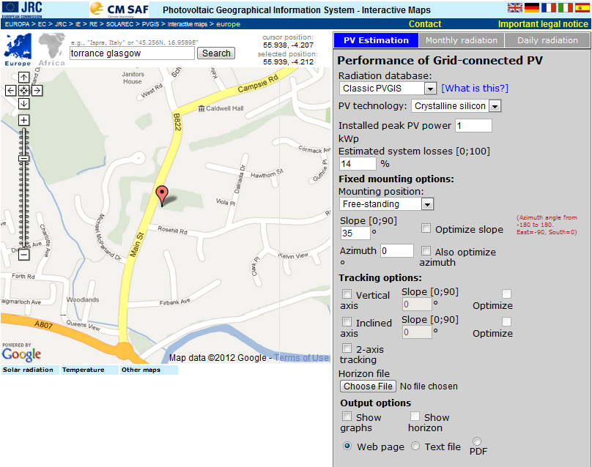
Latitude: | 55°56'19" North,
Longitude: | 4°12'41" West
Nominal power of the PV system: | 1kWp
Inclination of modules: | 35deg.
Orientation (azimuth) of modules: | 0deg.

 | Fixed angle
Month |  | Ed | Em | Hd | Hm
1 |  | 0.68 | 21.1 | 0.82 | 25.4
2 |  | 1.32 | 37.1 | 1.62 | 45.3
3 |  | 2.13 | 66.2 | 2.67 | 82.6
4 |  | 3.07 | 92.2 | 3.96 | 119
5 |  | 3.55 | 110 | 4.66 | 145
6 |  | 3.45 | 104 | 4.62 | 139
7 |  | 3.36 | 104 | 4.5 | 140
8 |  | 2.85 | 88.5 | 3.79 | 117
9 |  | 2.28 | 68.5 | 2.96 | 88.8
10 |  | 1.42 | 44.1 | 1.79 | 55.3
11 |  | 0.91 | 27.4 | 1.11 | 33.3
12 |  | 0.49 | 15.1 | 0.59 | 18.2
Year |  | 2.13 | 64.9 | 2.76 | 84

Ed: Average daily electricity production from the given system (kWh)
Em: Average monthly electricity production from the given system (kWh)
Hd: Average daily sum of global irradiation per square meter received by the modules of the given system (kWh/m2)
Hm: Average sum of global irradiation per square meter received by the modules of the given system (kWh/m2)

PVGIS (c) European Communities, 2001-2010

Latitude: | 55°56'19" North,
Longitude: | 4°12'41" West
Nominal power of the PV system: | 1kWp
Inclination of modules: | 35deg.
Orientation (azimuth) of modules: | -90deg.

 | Fixed angle
Month |  | Ed | Em | Hd | Hm
1 |  | 0.31 | 9.58 | 0.45 | 13.8
2 |  | 0.77 | 21.5 | 1.02 | 28.5
3 |  | 1.53 | 47.4 | 1.95 | 60.5
4 |  | 2.55 | 76.4 | 3.27 | 98.1
5 |  | 3.24 | 101 | 4.22 | 131
6 |  | 3.3 | 99.1 | 4.37 | 131
7 |  | 3.14 | 97.3 | 4.16 | 129
8 |  | 2.48 | 76.9 | 3.27 | 102
9 |  | 1.73 | 52 | 2.27 | 68
10 |  | 0.91 | 28.2 | 1.2 | 37.1
11 |  | 0.44 | 13.2 | 0.61 | 18.4
12 |  | 0.21 | 6.44 | 0.31 | 9.7
Year |  | 1.72 | 52.4 | 2.26 | 68.9

Ed: Average daily electricity production from the given system (kWh)
Em: Average monthly electricity production from the given system (kWh)
Hd: Average daily sum of global irradiation per square meter received by the modules of the given system (kWh/m2)
Hm: Average sum of global irradiation per square meter received by the modules of the given system (kWh/m2)

PVGIS (c) European Communities, 2001-2010

Latitude: | 55°56'19" North,
Longitude: | 4°12'41" West
Nominal power of the PV system: | 1kWp
Inclination of modules: | 35deg.
Orientation (azimuth) of modules: | 90deg.

 | Fixed angle
Month |  | Ed | Em | Hd | Hm
1 |  | 0.32 | 9.94 | 0.46 | 14.2
2 |  | 0.77 | 21.5 | 1.02 | 28.5
3 |  | 1.53 | 47.5 | 1.96 | 60.7
4 |  | 2.54 | 76.1 | 3.27 | 98.1
5 |  | 3.23 | 100 | 4.22 | 131
6 |  | 3.29 | 98.7 | 4.37 | 131
7 |  | 3.13 | 96.9 | 4.16 | 129
8 |  | 2.48 | 76.7 | 3.28 | 102
9 |  | 1.73 | 51.9 | 2.27 | 68.1
10 |  | 0.91 | 28.3 | 1.2 | 37.3
11 |  | 0.45 | 13.3 | 0.62 | 18.6
12 |  | 0.21 | 6.58 | 0.32 | 9.83
Year |  | 1.72 | 52.3 | 2.27 | 69

Ed: Average daily electricity production from the given system (kWh)
Em: Average monthly electricity production from the given system (kWh)
Hd: Average daily sum of global irradiation per square meter received by the modules of the given system (kWh/m2)
Hm: Average sum of global irradiation per square meter received by the modules of the given system (kWh/m2)

PVGIS (c) European Communities, 2001-2010

